Group Finals
 |  | 2026/27 Young Judges Final Entrants & Results

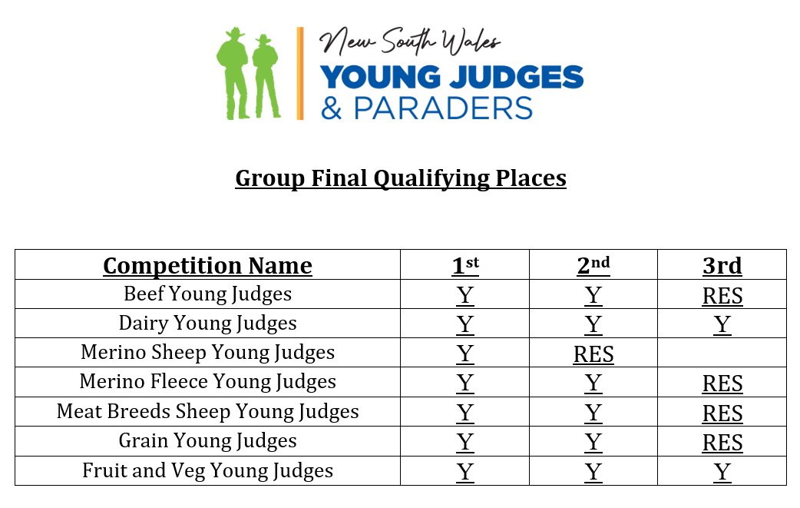
No. | First Name | Last Name | Mobile | DOB | Email | Beef Paraders | Beef Cattle | Dairy | Merino Fleece | Meat Breeds Sheep | Merino Sheep | Grain | Fruit & Veg | Poultry
1 | EXAMPLE |  |  |  |  | - | a | - | 1st | a | 1st | a |  | Res
2
3
4
5
6
7
8
9
10
11
12
13
14 |  |  |  |  |  |  |  |  |  |  |  |  |  |  | a | competed but did not qualify
15 |  |  |  |  |  |  |  |  |  |  |  |  |  |  | (-) | did not compete or competition not held
16 |  |  |  |  |  |  |  |  |  |  |  |  |  |  |  | Add placings according to the table above plus reserve
17
18
19
20
21
22
23
24
25
26
27
28
29
30
31
32
33
34
35
36
37
38
39
40
41
42
43
44
45
46
47
48
49
50
51
52
53
54
55

